CF NOTES
Class 3
CONDIIONAL FORMATING

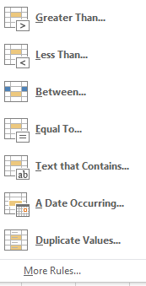
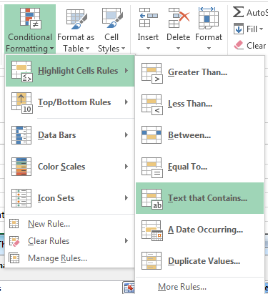
Conditional Formatting is a tool that allows you to apply formats to a cell or range of cells, and have that formatting change depending on the value of the cell
or the value of a formula. For example, you can have a cell appear bold only when the value of the cell is greater than 100. It is used to easily spot the trends and patterns using colors,bars and icons
Highlight Cell Rules |  |  |  |  |  |  |  |  | Data
 |  |  |  |  | Date | Name | M1 | M2 | M3 | M4 | Total | Percentage | Grade
 |  |  |  |  | 2018-12-19 | Aman | 60 | 58 | 27 | 55 | 200 | 50 | PASS
 |  |  |  |  | 2018-12-20 | Suman | 35 | 72 | 70 | 66 | 243 | 60.75 | PASS
 |  |  |  |  | 2018-12-21 | Aman | 40 | 79 | 84 | 60 | 263 | 65.75 | PASS
 |  |  |  |  | 2018-12-22 | Anshika | 2 | 2 | 2 | 90 | 96 | 24 | FAIL
 |  |  |  |  | 2018-12-23 | Anmol | 48 | 81 | 72 | 80 | 281 | 70.25 | PASS
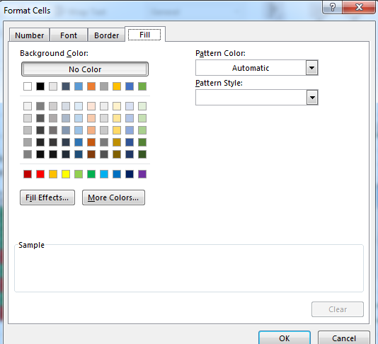
 |  |  |  |  | 2018-12-24 | Bhashkar | 40 | 2 | 3 | 36 | 81 | 20.25 | FAIL
 |  |  |  |  | 2018-12-25 | Sukh | 70 | 61 | 61 | 41 | 233 | 58.25 | PASS
 |  |  |  |  | 2018-12-26 | Sudeep | 57 | 2 | 2 | 2 | 63 | 15.75 | FAIL

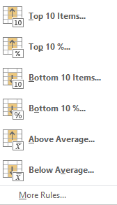
Top/Bottom Rules |  |  |  |  |  | Name | M1 | M2 | M3 | M4 | Total | Percentage
 |  |  |  |  |  | Aman | 60 | 58 | 27 | 55 | 200 | 50
 |  |  |  |  |  | Suman | 35 | 72 | 70 | 66 | 243 | 60.75
 |  |  |  |  |  | Aman | 40 | 79 | 84 | 60 | 263 | 65.75 |  | Grade
 |  |  |  |  |  | Anshika | 2 | 2 | 2 | 90 | 96 | 24 |  | PASS
 |  |  |  |  |  | Anmol | 48 | 81 | 72 | 80 | 281 | 70.25 |  | PASS
 |  |  |  |  |  | Bhashkar | 40 | 2 | 3 | 36 | 81 | 20.25 |  | PASS | ------> | Home-ConditionalFormating-Highlight Cell Rules-text That contains Then under format cells that contain the text(PASS)-With(Custom Format)-Selct the color-OK
 |  |  |  |  |  | Sukh | 70 | 61 | 61 | 41 | 233 | 58.25 |  | FAIL |  | Repeat the same process for FAIL.
 |  |  |  |  |  | Sudeep | 57 | 2 | 2 | 2 | 63 | 15.75 |  | PASS
 |  |  |  |  |  |  |  |  |  |  |  |  |  | FAIL
 |  |  |  |  | Highlight Top 3 Total ->Home-Conditional Formating->Top Bottom Rules->Top 10 items |  |  |  |  |  |  |  |  | PASS | More Rules
 |  |  |  |  | then under Format cells that rank in the top -selct Top 3-With Custome Format select color-ok |  |  |  |  |  |  |  |  | FAIL | Comparative Chart
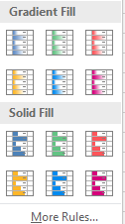
Data Bars |  |  |  |  |  | Name | M1 | M2 | M3 | M4 | Total | Percentage |  |  | Mahesh | Sales | Dinesh
 |  |  |  |  |  | Aman | 60 | 58 | 27 | 55 | 200 | 50 |  |  | 5435 | January | 1212
 |  |  |  |  |  | Suman | 35 | 72 | 70 | 66 | 243 | 60.75 |  |  | 1232 | February | 4323
 |  |  |  |  |  | Aman | 40 | 79 | 84 | 60 | 263 | 65.75 |  |  | 3323 | March | 5345
 |  |  |  |  |  | Anshika | 2 | 2 | 2 | 90 | 96 | 24 |  |  | 7565 | April | 6464
 |  |  |  |  |  | Anmol | 48 | 81 | 72 | 80 | 281 | 70.25 |  |  | 3212 | May | 7676
 |  |  |  |  |  | Bhashkar | 40 | 2 | 3 | 36 | 81 | 20.25 |  |  | 8756 | June | 8987
 |  |  |  |  |  | Sukh | 70 | 61 | 61 | 41 | 233 | 58.25 |  |  | 5465 | July | 7867
 |  |  |  |  |  | Sudeep | 57 | 2 | 2 | 2 | 63 | 15.75 |  |  | 3432 | August | 9089
 |  |  |  |  |  |  |  |  |  |  |  |  |  |  | 4344 | September | 8767
 |  |  |  |  |  |  |  |  |  |  |  |  |  |  | 6565 | October | 4322
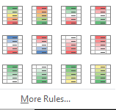
Color Scale |  |  |  |  |  |  |  |  |  |  |  |  |  |  | 3443 | November | 1111
 |  |  |  |  |  | Name | M1 | M2 | M3 | M4 | Total |  |  |  | 5455 | December | 3222
 |  |  |  |  |  | Aman | 60 | 58 | 27 | 55 | 200
 |  |  |  |  |  | Suman | 35 | 72 | 70 | 66 | 243
 |  |  |  |  |  | Aman | 40 | 79 | 84 | 60 | 263
 |  |  |  |  |  | Anshika | 2 | 2 | 2 | 90 | 96
 |  |  |  |  |  | Anmol | 48 | 81 | 72 | 80 | 281
 |  |  |  |  |  | Bhashkar | 40 | 2 | 3 | 36 | 81
 |  |  |  |  |  | Sukh | 70 | 61 | 61 | 41 | 233
 |  |  |  |  |  | Sudeep | 57 | 2 | 2 | 2 | 63

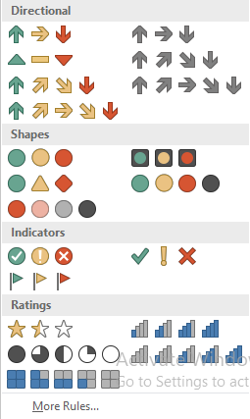
Icon Sets |  |  |  |  |  | Project | Pct Completed |  |  |  |  | Showing only one icon for values >=80
 |  |  |  |  |  | Project 1 | 95% |  |  | 95%
 |  |  |  |  |  | Project 2 | 100% |  |  | 100% |  |  | 67 | 87 | 36 | 11
 |  |  |  |  |  | Project 3 | 50% |  |  | 50% |  |  | 42 | 2 | 58 | 68
 |  |  |  |  |  | Project 4 | 0% |  |  | 0% |  |  | 100 | 64 | 39 | 94
 |  |  |  |  |  | Project 5 | 20% |  |  | 20% |  |  | 78 | 92 | 65 | 26
 |  |  |  |  |  | Project 6 | 80% |  |  | 80% |  |  | 40 | 10 | 91 | 36
 |  |  |  |  |  | Project 7 | 100% |  |  | 100% |  |  | 33 | 82 | 92 | 94
 |  |  |  |  |  | Project 8 | 0% |  |  | 0% |  |  | 28 | 14 | 62 | 37
 |  |  |  |  |  | Project 9 | 0% |  |  | 0% |  |  | 14 | 69 | 74 | 96
 |  |  |  |  |  | Project 10 | 50% |  |  | 50% |  |  | 98 | 79 | 70 | 19
 |  |  |  |  |  |  |  |  |  |  |  |  | 96 | 81 | 50 | 6
 |  |  |  |  |  |  |  |  |  |  |  |  | 38 | 78 | 40 | 49
 |  |  |  |  |  |  |  |  |  |  |  |  | 50 | 8 | 91 | 6
 |  |  |  |  |  |  |  |  |  |  |  |  | 40 | 81 | 83 | 99
New Rules/Manage Rules
Conditional formating-New rules-use a formula to determine which cells to format

1.Highlight One column value

Top Products | Quantity | Price |  | Top Products
Mobile | 2 | 33 |  | mobile
camera | 3 | 44
laptop | 4 | 4 |  | Step-Select the Top Product column data->Home>conditional formating-New rule->Use a Formula to determine which cells to format
Mobile | 5 | 3 |  | Under Format values where this formula is true Type the Formula ( =$E$73=$A73) Then Format -Select Color-OK
perfumes | 3 | 22
camera | 4 | 4
Mobile | 5 | 4
camera | 6 | 5

2.Highlight Entire Record

Top Products | Quantity | Price |  | Top Products
Mobile | 2 | 33 |  | mobile
camera | 3 | 44
laptop | 4 | 4 |  | Step-Select the Top Product entire Row data->Home>conditional formating-New rule->Use a Formula to determine which cells to format
Mobile | 5 | 3 |  | Under Format values where this formula is true Type the Formula ( =$E$85=$A85) Then Format -Select Color-OK
perfumes | 3 | 22
camera | 4 | 4
Mobile | 5 | 4
camera | 6 | 5

3.Highlight column and row at same time

Products | India | Aus | Canada |  | Product | Country
mobile | 344343 | 565 | 2323 |  | mobile | canada
camera | 43434 | 6564 | 3323
mobile | 434343 | 454 | 22223 |  | Step For Entire Row Highlight-Select the Value Data Range only->Home>conditional formating-New rule->Use a Formula to determine which cells to format
watches | 3434 | 45 | 2432 |  | Under Format values where this formula is true Type the Formula ( =$F$97=$A97) Then Format -Select Color-OK
shoes | 35343 | 4545 | 242323
laptop | 343453 | 3433 | 24232 |  | Step For Entire Column Highlight-Select the Value Data Range only->Home>conditional formating-New rule->Use a Formula to determine which cells to format
mobile | 34345 | 4545 | 4232 |  | Under Format values where this formula is true Type the Formula ( =$G$97=B$96) Then Format -Select Color-OK
clothes | 2453 | 54545 | 23322

Invoice | Highlight Net Sales based on invoice
659447

Invoice | Date | Company | Product | Net Sales | Cost
659455 | 2013-01-11 | Tri Fly | Fun Fly | $39.04 | $19.52
659457 | 2013-01-12 | Tri Fly | Fun Fly | $40.26 | $21.33 |  | Step -Select the Net Sales column->Home>conditional formating-New rule->Use a Formula to determine which cells to format
659447 | 2013-01-05 | Colorad Boom | Aspen | $48.48 | $25.20 |  | Under Format values where this formula is true Type the Formula ( =$A$108=$A111) Then Format -Select Color-OK
659456 | 2013-01-12 | Tri Fly | Fun Fly | $51.24 | $27.16
659447 | 2013-01-12 | Colorad Boom | Aspen | $60.60 | $28.50
659445 | 2013-01-05 | Colorad Boom | Yanaki | $114.00 | $55.86
659459 | 2013-01-14 | Tri Fly | Fun Fly | $183.00 | $95.20
659451 | 2013-01-09 | Tri Fly | V-Rang | $203.04 | $95.40
659447 | 2013-01-11 | Gel Booms | Quad | $200.60 | $106.32
659458 | 2013-01-13 | Tri Fly | Fun Fly | $207.36 | $107.82
659455 | 2013-01-11 | Colorad Boom | Yanaki | $219.06 | $118.30

